Use_Case
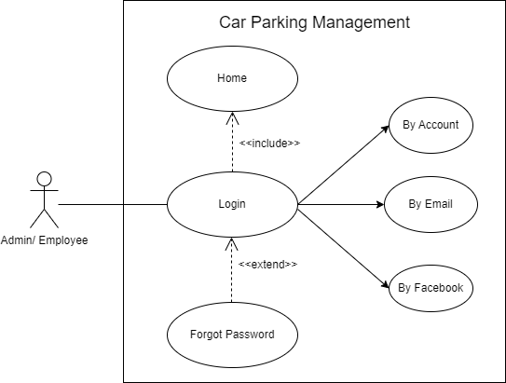
4.1 Đăng nhập
Other. Quên mật khẩu

Class_Diagram
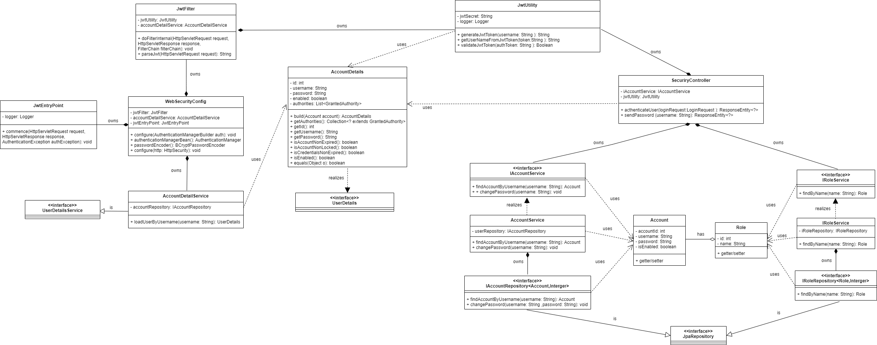
4.1 Đăng nhập
Other. Quên mật khẩu

Sequence_Diagram
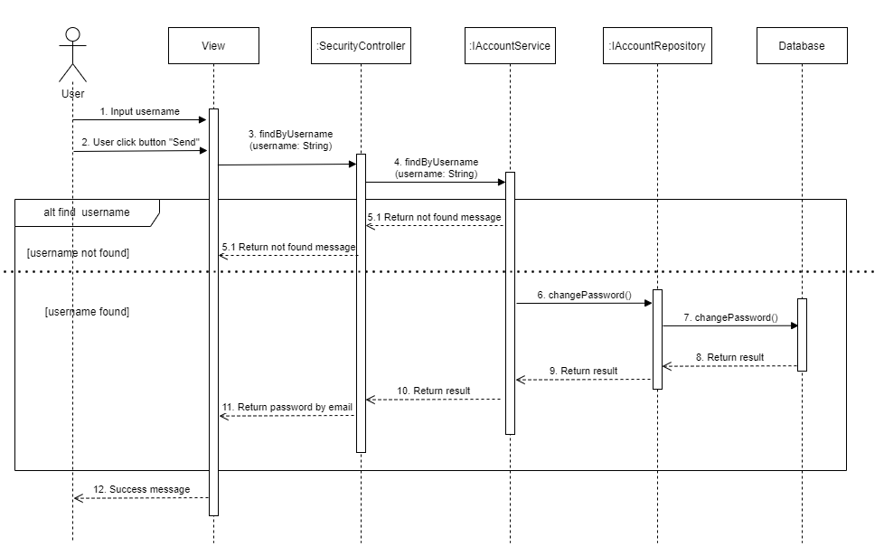
4.1 Đăng nhập

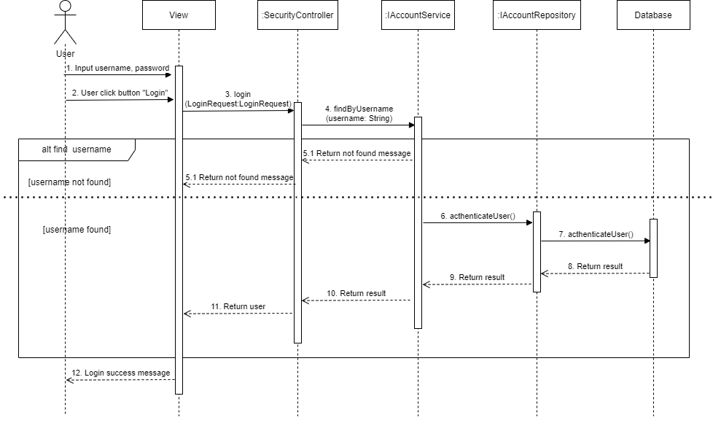

Other. Quên mật khẩu

